Rev-0
Project Title: |  | PROPOSED ADDITIONS OF 1 BLOCK OF 3-STOREY OFFICE BUILDING (BLK 2), 1 BLOCK OF 6-STOREY ACCOMMODATION BUILDING (BLK 3), 1 BLOCK OF 4-STOREY ACCOMMODATION BUILDING (BLK 4), 1 BLOCK OF 2-STOREY TRAINING MULTIPLEX (BLK 9), 1 BLOCK OF MSVS (BLK 10), AND ANCILLARY FACILITIES (BLK 5, 6 & 8) TO EXISTING DIEPPE BARRACK ON LOT 05019M MK13 AT SEMBAWANG ROAD (MANDAI PLANNING AREA) (D2019-00162)

No | Image | Model | Description | Wels | QTY | BLK 2
 |  |  |  |  |  | 1ST | 2ND | 3RD
1 |  | RIGEL WP2913BP | Pedestal Water Closet (P-trap) Dimension : 675 (L) x 370 (W) x 410 (H) mm | N.A. | 23 | 11 | 5 | 7
2 |  | RIGEL W3-R-AFS101CFLST | Water Closet Sensor Flush Valve (Sensor cum Manual Flush) Dimension (front panel): 204 x 204mm | √√√ | 23 | 11 | 5 | 7
3 |  | RIGEL UH03BP-G | Wall-Hung Urinal Dimension : 350 (L) x 330 (W) x 540 (H) mm | N.A. | 17 | 6 | 7 | 4
4 |  | RIGEL W3-R-AFS202CFLT | Urinal Sense Flush Valve - Concealed Box (Sensor cum Manual Flush) Dimension : 204 (L) x 204 (H) mm | √√√ | 17 | 6 | 7 | 4
5 | 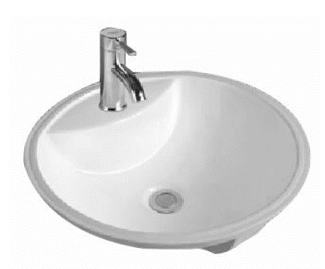 | SW JL 60023 | Undercounter Lavatory Dimension: 465(L) x 465(W) x 190(H)mm | N.A. | 24 | 12 | 6 | 6
6 | 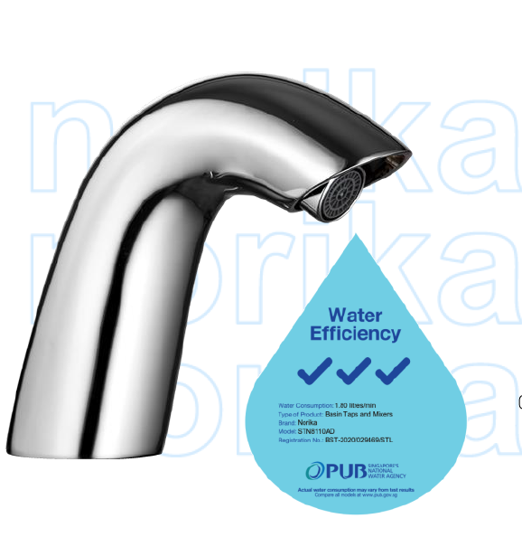 | NORIKA STN8110AD | Sensor Basin Faucet Tap Dimension (faucet):165(L) x 52(W) x 130(H)mm | √√√ | 26 | 12 | 8 | 6
7 |  | RIGEL LH11095 | Wall Hung Lavatory Dimension: 470(L) x 410(W) x 200(H)mm | N.A. | 2 |  | 1 | 1
8 |  | RIGEL SD101 | Manual Soap Dispenser - Dimension : 125 (L) x 120 (W) x 210 (H) mm Material: Stainless Steel | N.A. | 10 | 4 | 3 | 3
9 | 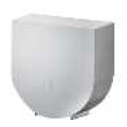 | RIGEL PH128T | Surface Mounted Jumbo Roll Paper Holder Dimension : 275 (L) x 120 (W) x 285 (H) mm | N.A. | 23 | 11 | 5 | 7
10 |  | RIGEL BA103 | Robe Hook Dimension : 65 (L) x 40 (W) x 39 (H) mm | N.A. | 23 | 11 | 5 | 7
11 |  | KEPLER SA8110 + W3-K-SA219L | Hand Bidet Sprayer with Metallic PVC Hose and Angle Stop Valve in Lever Handle | √√√ | 23 | 11 | 5 | 7
12 | 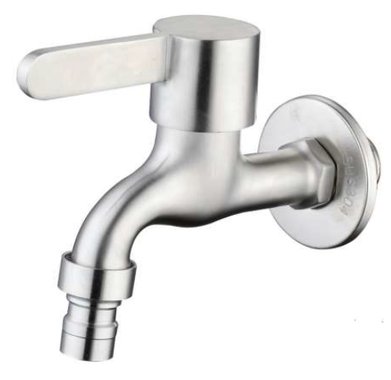 | RUBINE ALTA U913375 SS | Wall Mounted Hose Coupling Bib Tap Dimension : 119 (L) x 96 (H) mm | √√√ | 10 | 4 | 3 | 3
13 |  | W3-K-SA007A + W3-R-SCT2016 | Shower Head + Wall Mounted Self-Closing Delay Action Valve | √√√ | 14 | 14
14 |  | RIGEL SH120 | Corner Soap Holder Dimension : 313 (L) x 230 (W) x 55 (H) mm | N.A. | 14 | 14
15 |  | RIGEL GB10146-H | Grab Bar Set for Ambulant Disabled Urinal Consist of: 2pcs - GB600-H Vertical grab bar 600 x Ø32mm | N.A. | 6 | 2 | 2 | 2
16 |  | NRL-HOS500CT | Insert Type Single Bowl, Single Drainer Sink Dimension Overall: 800 (L) x 500 (W) x 155 (H) mm Dimension Bowl : 400 (L) x 400 (W) x 155 (H) mm | N.A. | 2 |  |  | 2
17 | 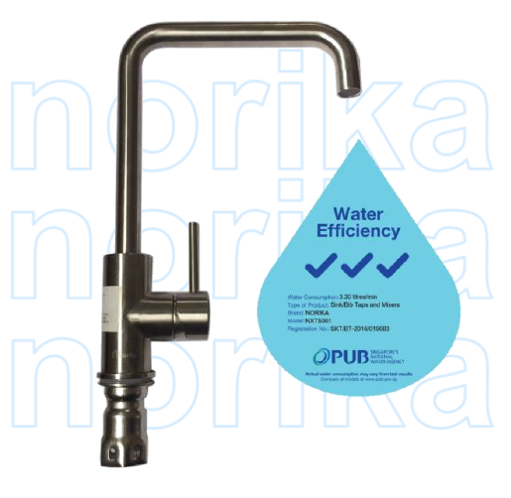 | NXTS001 | Single Handle Sink Mixer Dimension : 215 (L) x 318.5 (H) mm | √√√ | 2 |  |  | 2
18 | 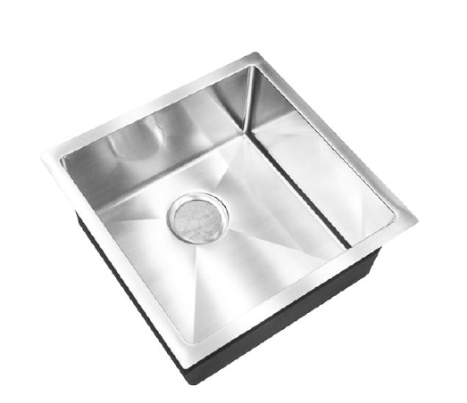 | NR-SNK4545AB1ra | Single Bowl Kitchen Sink Dimension : 450 (L) x 450(W) x 200(H) mm | NA | 1 |  | 1
19 |  | W3-R-TPK0603 | Deck Mounted Sink Tap Dimension : 217 (L) x 103(W) x 359(H)mm | √√√ | 1 |  | 1

WC & UR BLK-3
Project Title: |  | PROPOSED ADDITIONS OF 1 BLOCK OF 3-STOREY OFFICE BUILDING (BLK 2), 1 BLOCK OF 6-STOREY ACCOMMODATION BUILDING (BLK 3), 1 BLOCK OF 4-STOREY ACCOMMODATION BUILDING (BLK 4), 1 BLOCK OF 2-STOREY TRAINING MULTIPLEX (BLK 9), 1 BLOCK OF MSVS (BLK 10), AND ANCILLARY FACILITIES (BLK 5, 6 & 8) TO EXISTING DIEPPE BARRACK ON LOT 05019M MK13 AT SEMBAWANG ROAD (MANDAI PLANNING AREA) (D2019-00162)

Attention to: |  |  |  | Date:
 |  |  |  | Rev: | 0
No | Image | Model | Description | Wels | QTY | BLK 2 |  |  | BLK 3 |  |  |  |  |  | BLK 4 |  |  |  | BLK 5 | Remark
 |  |  |  |  |  | 1ST | 2ND | 3RD | 1ST | 2ND | 3RD | 4TH | 5TH | 6th | 1ST | 2ND | 3RD | 4TH | QTY
1 |  | RIGEL WP2913BP | Pedestal Water Closet (P-trap) Dimension : 675 (L) x 370 (W) x 410 (H) mm | N.A. | 36 | 11 | 5 | 7 |  |  |  |  |  |  |  |  |  |  | 13 | Approved DE/A/M/SW-001
2 |  | RIGEL WP2913BS | Pedestal Water Closet (S-trap) Dimension : 675 (L) x 370 (W) x 410 (H) mm | N.A. | 181 |  |  |  | 16 | 32 | 24 | 24 | 24 | 12 | 5 | 12 | 16 | 16 |  | Approved DE/A/M/SW-001r
3 | 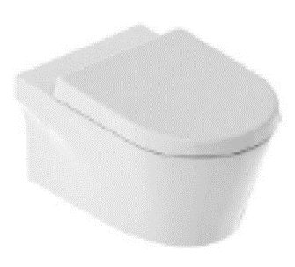 | RIGEL WH9030BP + L CHAIR BRACKET | Rimless Whirlwash Wall-Hang Water Closet + L Chair Bracket Dimension : 580(L) x 360(W) x 345(H)mm | N.A. | 5 |  |  |  | 2 | 3 |  |  |  |  |  |  |  |  |  | Approved DE/A/M/SW-001r
8 |  | RIGEL UH03BP-G | Wall-Hung Urinal Dimension : 350 (L) x 330 (W) x 540 (H) mm | N.A. | 161 | 6 | 7 | 4 | 8 | 16 | 24 | 24 | 24 | 12 | 6 | 7 | 8 | 8 | 7 | Approved DE/A/M/SW-015
12 |  | SW JL 60023 | Undercounter Lavatory Dimension: 465(L) x 465(W) x 190(H)mm | N.A. | 201 | 12 | 6 | 6 | 12 | 24 | 28 | 28 | 28 | 14 | 3 | 10 | 10 | 10 | 10 | Approved DE/A/M/SW-022a
13 | 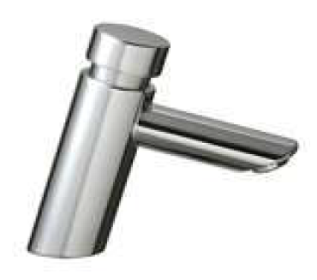 | AWS METRIX P-SS | Deck Mounted Self-Closing Delay Action Tap Dimension : 103 (L) x Ø50 (W) x 110 (H) mm | √√√ | 118 |  |  |  |  |  | 28 | 28 | 28 | 14 |  |  | 10 | 10 |  | Approved DE/A/M/SW-002a
14 |  | NORIKA | Sensor Basin Faucet Tap Dimension (faucet):165(L) x 52(W) x 130(H)mm | √√√ | 117 | 12 | 8 | 6 | 12 | 25 |  |  |  |  | 4 | 10 |  |  | 40 | Approved DE/A/M/SW-022a
15 |  | RIGEL LH11095 | Wall Hung Lavatory Dimension: 470(L) x 410(W) x 200(H)mm | N.A. | 5 |  | 2 | 1 |  | 1 |  |  |  |  | 1 |  |  |  |  | Approved DE/A/M/SW-002
16 |  | RIGEL LH10252 (Handicapped Toilet) | Wall Hung Lavatory - BCA Comply Handicapped Toilet Dimension: 540(L) x 445(W) x 220(H)mm | N.A. | 5 |  |  |  | 2 | 3 |  |  |  |  |  |  |  |  |  | Approved DE/A/M/SW-002
17 |  | RIGEL W3-K-SA04L (Handicapped Toilet) | Deck Mounted Lever Handle Basin Tap for Handicapped User Dimension : 140 (L) x Ø40 (W) x 125 (H) mm | √√√ | 5 |  |  |  | 2 | 3 |  |  |  |  |  |  |  |  |  | Approved DE/A/M/SW-002
18 |  | RIGEL SD101 | Manual Soap Dispenser - Dimension : 125 (L) x 120 (W) x 210 (H) mm Material: Stainless Steel | N.A. | 127 | 4 | 3 | 3 | 10 | 18 | 12 | 12 | 12 | 6 | 3 | 6 | 6 | 6 | 26 | Approved DE/A/M/SW-003a
19 |  | RIGEL PH128T | Surface Mounted Jumbo Roll Paper Holder Dimension : 275 (L) x 120 (W) x 285 (H) mm | N.A. | 214 | 11 | 5 | 7 | 18 | 35 | 24 | 24 | 24 | 6 | 3 | 12 | 16 | 16 | 13 | Approved DE/A/M/SW-004R1
20 |  | RIGEL BA103 | Robe Hook Dimension : 65 (L) x 40 (W) x 39 (H) mm | N.A. | 214 | 11 | 5 | 7 | 18 | 35 | 24 | 24 | 24 | 6 | 3 | 12 | 16 | 16 | 13 | Approved DE/A/M/SW-007
21 |  | KEPLER SA8110 + W3-K-SA219L | Hand Bidet Sprayer with Metallic PVC Hose and Angle Stop Valve in Lever Handle | √√√ | 203 | 11 | 5 | 7 | 18 | 35 | 24 | 24 | 24 | 6 | 3 | 12 | 16 | 5 | 13 | Approved DE/A/M/SW-008
22 |  | RUBINE ALTA U913375 SS | Wall Mounted Hose Coupling Bib Tap Dimension : 119 (L) x 96 (H) mm | √√√ | 53 | 4 | 3 | 3 | 6 | 10 | 4 | 4 | 4 | 2 | 2 | 3 | 2 | 2 | 4 | Approved DE/A/M/SW-008a
23 |  | W3-K-SA007A + W3-R-SCT2016 | Shower Head + Wall Mounted Self-Closing Delay Action Valve | √√√ | 163 | 14 |  |  |  |  | 32 | 32 | 32 | 16 |  | 11 | 12 | 12 | 2 | Approved DE/A/M/SW-009a
24 |  | RIGEL SH120 | Corner Soap Holder Dimension : 313 (L) x 230 (W) x 55 (H) mm | N.A. | 158 | 14 |  |  |  |  | 32 | 32 | 32 | 16 |  | 10 | 10 | 10 | 2
25 |  | RIGEL GB10146-H | Grab Bar Set for Ambulant Disabled Urinal Consist of: 2pcs - GB600-H Vertical grab bar 600 x Ø32mm | N.A. | 34 | 2 | 2 | 2 | 2 | 4 | 4 | 4 | 4 | 2 | 1 | 2 | 2 | 2 | 1
27 |  | NRL-HOS500CT | Insert Type Single Bowl, Single Drainer Sink Dimension Overall: 800 (L) x 500 (W) x 155 (H) mm Dimension Bowl : 400 (L) x 400 (W) x 155 (H) mm | N.A. | 2 |  |  | 2 |  |  |  |  |  |  |  |  |  |  |  | Approved DE/A/M/SW-013a
28 |  | NXTS001 | Single Handle Sink Mixer Dimension : 215 (L) x 318.5 (H) mm | √√√ | 2 |  |  | 2 |  |  |  |  |  |  |  |  |  |  |  | Approved DE/A/M/SW-013a

